User Stories
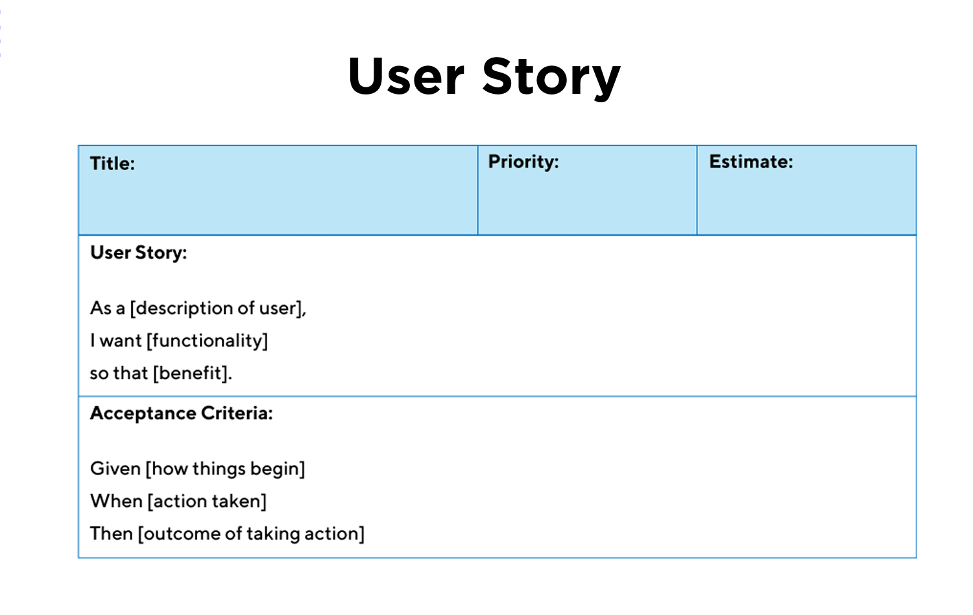
ID | User Story Title | User Story Description | Relates to Epic | Acc_ID | Acceptance Criteria
US-01 | As a sales representative, I want to view a list of all contacts, So that I can find and access customer records easily. | This story allows a user to click on a contact from the list and view all associated details in a read-only format. This supports effective sales communication by providing easy access to customer insights. | US_01 | US-05-01 | Given I log into the CRM, When I navigate to the Contact Management section, Then I should see a list of all contacts. Given there are many contacts, When I scroll or paginate, Then additional contacts should load correctly.
US-01 | As a sales representative, I want to view full details of a contact, So that I can access important customer information. | This story allows a user to click on a contact from the list and view all associated details in a read-only format. This supports effective sales communication by providing easy access to customer insights. | US_01 | US-05-02 | Given I am on the contact list, When I click on a contact name, Then I should be taken to a page displaying all details of the selected contact. Given I am on the contact list, When I click on a contact name, Then I should be taken to a page displaying all details of the selected contact.
US-01 | As a sales representative, I want to add a new contact with customer details (name, company, email, phone, and notes),So that I can store customer information for future communication. | This story enables a sales representative to create a new contact entry by filling out a form with fields including customer name, company name, email, phone number, and notes. It ensures proper validation of input fields and saves the data to the system for future access and communication. | US_01 | US-05-03 | Given I am on the contact management page, When I click the “Add Contact” button and fill in the required fields, Then a new contact is created and appears in the contact list. Given I enter an invalid email or phone number, When I try to submit the form, Then I should see a validation error message and the contact is not saved. Given there is a system error while saving, When I try to submit the contact, Then I should see an error message indicating the save failed.
US-01 | As a sales representative, I want to edit existing contact details, So that I can update customer information as needed. | This story allows users to update the details of an existing contact. It includes access to a form pre-filled with current data, where edits can be made to any field. The system validates inputs and ensures changes are saved correctly. | US_01 | US-05-04 | Given I am on the contact list, When I click the “Edit” button for a contact and change details, Then the updated information is saved and reflected in the list. Given I leave a required field empty while editing, When I click “Save,” Then I should see a validation error and the changes should not be saved.
US-01 | As a sales representative, I want to delete a contact, So that I can remove outdated or duplicate entries. | This story provides functionality for deleting customer contacts. It includes a confirmation prompt to prevent accidental deletion. Once confirmed, the contact is permanently removed from the system, with proper error handling in case of system failure. | US_01 |  | Given I am viewing the contact list, When I click the “Delete” button for a contact, Then a confirmation message should appear asking for confirmation. Given I confirm the deletion, When the system processes the request, Then the contact should be removed from the list. Given the contact cannot be deleted due to an error, When I try to delete it, Then I should receive an error message.
US-01 | As a sales representative, I want to import contacts via CSV, So that I can quickly add multiple customers at once. | This story allows users to upload a CSV file containing multiple contacts. The system parses the file, validates required fields, and imports all valid entries. Errors in the file are reported back to the user for correction. | US_01 |  | Given I have a valid CSV file, When I upload it through the import feature, Then all valid contacts should be added to the contact list. Given my file contains errors or missing fields, When I upload it, Then I should see an error summary and no invalid data should be imported.
US-01 | As a sales representative, I want to export contacts to a CSV file, So that I can back up or share customer data. | This story enables users to export the entire contact list into a downloadable CSV file. The file includes all relevant fields and can be used for offline access, data backup, or sharing with stakeholders. | US_01 |  | Given I am on the contact management page, When I click the “Export” button, Then a .csv file containing my contacts should be downloaded. Given there is a system error, When I attempt to export, Then I should see an error message explaining the failure.
US-02 | As a sales representative , I want to be able to create sales opportunites, So that I can track potential revenue and manage the deal lifecycle. | Sales representatives need a way to quickly capture and save new opportunities in the system. This functionality should include key data fields to describe the opportunity and associate it with a contact or account. |  |  | Given I am on the “Create Opportunity” page, When I fill out required fields like opportunity name, deal value, expected close date, and stage, Then the system should allow me to save the new opportunity to the sales pipeline. Given I leave required fields blank, When I attempt to save the opportunity, Then the system should display a validation error message.
 | As a sales representative, I want to be able to update my sales opportunities, so that I can reflect changes in deal status or value | Sales reps often need to update opportunity information after interactions with the client. The system should allow editing of details such as deal stage, contact information, and expected close date. |  |  | Given I have access to an existing opportunity, When I click on “Edit,” Then I should be able to modify fields like status, deal value, and notes. Given I make changes to the opportunity, When I click “Save,” Then the updated information should be reflected immediately in the system.
 | As a sales representative, I want a visual dashboard that shows metrics like pipeline value, win/loss ratio, and conversion rates, so that I can measure my performance and identify areas for improvement. | A dashboard helps sales reps track performance indicators like total pipeline value, number of open deals, win/loss ratio, and more. |  |  | Given I have access to dashboard analytucs Given I log into the CRM dashboard, When I view the Sales Overview section, Then I should see visual charts and KPIs showing metrics like “Total Deals,” “Deals Won,” and “Total Value.” Given the data is updated, When I refresh the dashboard, Then the metrics should reflect the most recent changes in the system.
 | As a sales representative, I want to sort or filter opportunities by value or closing date, So that I can prioritize leads and close deals efficiently | To focus on the most promising opportunities, sales reps need a visual or numerical scoring system based on factors like customer engagement, deal size, and timing. |  |  | Given I am viewing the list of opportunities, When I sort or filter based on lead score, Then the highest-priority opportunities should appear at the top. Given a lead has a score above a configured threshold, When I view the dashboard, Then the opportunity should be highlighted or marked as “High Priority.” When I use filters or sorting options, Then the list updates to show opportunities according to selected criteria (e.g., highest value first).
US-03 | As a sales representative, I want a visual dashboard that shows metrics like pipeline value, win/loss ratio, and conversion rates, so that I can measure my performance and identify areas for improvement. | A dashboard helps sales reps track performance indicators like total pipeline value, number of open deals, win/loss ratio, and more. |  |  | Given I have access to dashboard analytucs Given I log into the CRM dashboard, When I view the Sales Overview section, Then I should see visual charts and KPIs showing metrics like “Total Deals,” “Deals Won,” and “Total Value.” Given the data is updated, When I refresh the dashboard, Then the metrics should reflect the most recent changes in the system.
 | I want to compare team sales performance month-over-month or quarter-over-quarter, so that I can identify growth trends or performance drops. | Sales representatives should have the option to view sales performances either by month-over-month or quarter-over-quarter |  |  | Given I open the analytics dashboard, When I apply a filter for “view by ” and I clicek "month-over-month Then only sales data from individual months should be displayed. Given I want to change the time unit (e.g., switch from months to quarters), When I update the selection in the time filter, Then the performance comparison should automatically refresh using the new time unit. Given I open the analytics dashboard, When I apply a filter for “view by ” and I click "quarter-over-quarter" Then only sales data from individual quarter should be displayed.
 | As a sales manager, I want to filter analytics and reports by region, product line, or sales rep, so that I can analyze performance across different business segments. | Sales managers often oversee multiple territories or product lines. Filters allow more precise analysis. |  |  | Given I open the analytics dashboard, When I apply a filter for “Region: East Coast,” Then only sales data from that region should be displayed. Given I select “Product Line: Software,” When I view the report, Then I should only see metrics and opportunities related to that product.
 | As a sales manager, I want to export sales reports in PDF or Excel format, so that I can share them with executives or other departments. | Reports must be easy to share with stakeholders or for backup outside the CRM. |  |  | Given I generate a report on team performance, When I click “Export to PDF,” Then a downloadable PDF file should be created with the selected data. Given I export a report to Excel, When I open the file, Then all data should be properly formatted in rows and columns.
US-04 | As a sales representative, I want to receive automated reminders through email integrations such as gmail, outlook So that I can improve customer satisfaction and retention rates. |  |  |  | Given I have a follow-up task with a scheduled due date and time, When the reminder time is reached, Then I should receive an email notification with the task details. Given I have completed a task early, When the reminder time arrives, Then I should not receive a reminder email for the completed task.
 | As a sales representative, I want to receive automated reminders through calender integrations such as google calenders, outlook So organized and productive by managing daily activities, reminders, and team workflows. |  |  |  | Given my CRM account is connected to Google or Outlook Calendar, When I create or update a follow-up task, Then the task should automatically appear on my linked calendar with the correct date and time. Given I delete a follow-up task in the CRM, When I check my calendar, Then the corresponding calendar event should be removed.
US-13
US-14
US-15

Gantt Chart
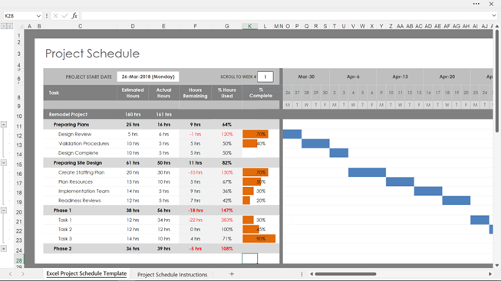
 | Project : | Resource | Duration | Start | End | Sprint 1 |  |  |  |  |  |  |  |  |  |  |  |  |  | Sprint 2 |  |  |  |  |  |  |  |  |  |  |  |  |  | Sprint 3 |  |  |  |  |  |  |  |  |  |  |  |  |  | Sprint 4 |  |  |  |  |  |  |  |  |  |  |  |  |  | Sprint 5 |  |  |  |  |  |  |  |  |  |  |  |  |  | Sprint 6 |  |  |  |  |  |  |  |  |  |  |  |  |  | Sprint 7 |  |  |  |  |  |  |  |  |  |  |  |  |  | Sprint 7
Ref | Phase, User Story/Task | Role or person | Days | Date | Date | 1 | 2 | 3 | 4 | 5 | 6 | 7 | 8 | 9 | 10 | 11 | 12 | 13 | 14 | 1 | 2 | 3 | 4 | 5 | 6 | 7 | 8 | 9 | 10 | 11 | 12 | 13 | 14 | 1 | 2 | 3 | 4 | 5 | 6 | 7 | 8 | 9 | 10 | 11 | 12 | 13 | 14 | 1 | 2 | 3 | 4 | 5 | 6 | 7 | 8 | 9 | 10 | 11 | 12 | 13 | 14 | 1 | 2 | 3 | 4 | 5 | 6 | 7 | 8 | 9 | 10 | 11 | 12 | 13 | 14 | 1 | 2 | 3 | 4 | 5 | 6 | 7 | 8 | 9 | 10 | 11 | 12 | 13 | 14 | 1 | 2 | 3 | 4 | 5 | 6 | 7 | 8 | 9 | 10 | 11 | 12 | 13 | 14 | 1 | 2 | 3 | 4 | 5 | 6 | 7 | 8 | 9 | 10 | 11 | 12 | 13 | 14

